ISTRUZIONI
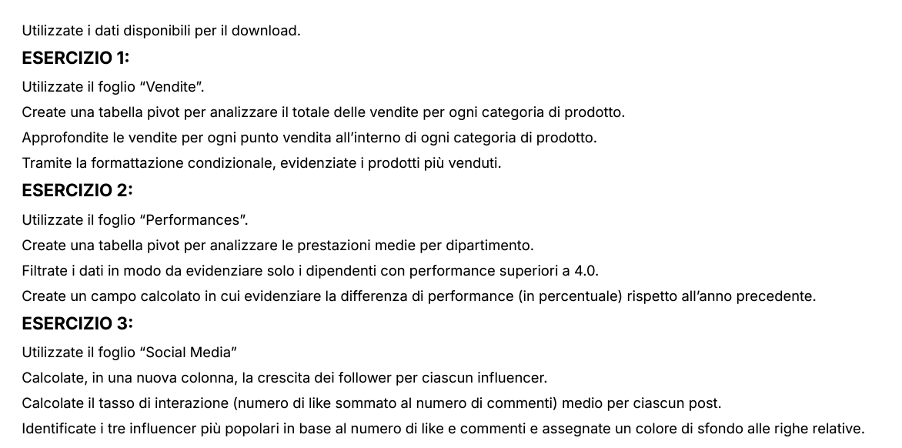
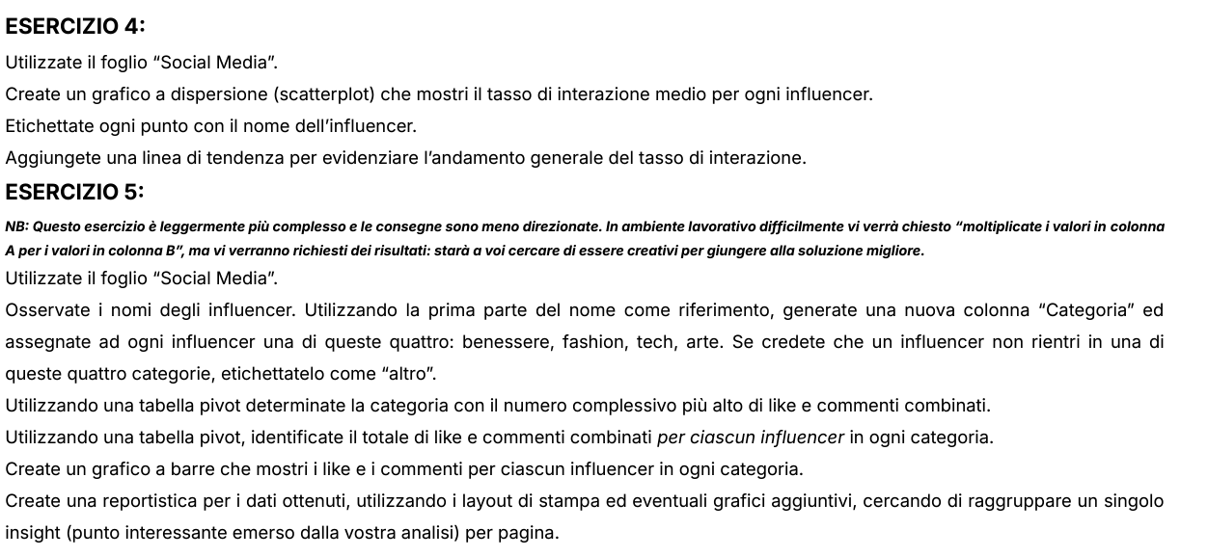

Esercizio 4
 | Interazione media
AdventureJunkie | 37.14
AdventureSeeker | 17.03
ArtAficionado | 34.47
ArtInspiration | 23.43
ArtisticSoul | 26.52
BeautyInBlue | 23.42
BeautyQueen | 31.07
BookLover | 29.06
BookWorm | 29.84
CarEnthusiast | 28.00
ChefExtraordinaire | 32.70
DIYMaster | 34.06
FashionForward | 28.33
Fashionista | 27.50
FitnessFanatic | 37.27
FitnessFiesta | 18.15
FitnessFreak | 32.67
FoodieDelight | 26.62
FoodieLover | 36.39
GamerLegend | 28.15
HealthyLiving | 22.59
HomeDecorPro | 25.33
MovieBuff | 20.29
MovieCritic | 24.00
MusicHarmony | 27.25
MusicMaestro | 22.27
MusicSensation | 32.41
NatureExplorer | 22.27
NatureLover | 24.00
OutdoorExplorer | 26.36
PetWhisperer | 40.50
StyleIcon | 25.50
TechEnthusiast | 28.10
TechGuru | 30.60
TechJunkie | 24.44
TechSavvy | 30.78
TravelNomad | 23.91
TrendSetter | 21.88
TrendyTechie | 21.11
TrendyTraveler | 19.13
WellnessGuru | 16.22
WellnessPro | 21.83

Pivot_Es_5
Etichette di riga | Somma di Like+commenti
Altro | 7565.00
Arte | 6770.00
Benessere | 8245.00
Fashion | 4100.00
Tech | 6055.00
Totale complessivo | 32735.00

Grafico1
Like e commenti per influencer
 | Like_totali | Commenti_totali
AdventureJunkie | 1200 | 100
AdventureSeeker | 500 | 45
ArtAficionado | 1200 | 110
ArtInspiration | 750 | 70
ArtisticSoul | 800 | 75
BeautyInBlue | 400 | 45
BeautyQueen | 800 | 70
BookLover | 850 | 80
BookWorm | 850 | 75
CarEnthusiast | 900 | 80
ChefExtraordinaire | 1100 | 110
DIYMaster | 1000 | 90
FashionForward | 700 | 65
Fashionista | 500 | 50
FitnessFanatic | 750 | 70
FitnessFiesta | 450 | 40
FitnessFreak | 900 | 80
FoodieDelight | 900 | 85
FoodieLover | 600 | 55
GamerLegend | 700 | 60
HealthyLiving | 600 | 55
HomeDecorPro | 350 | 30
MovieBuff | 650 | 60
MovieCritic | 550 | 50
MusicHarmony | 500 | 45
MusicMaestro | 450 | 40
MusicSensation | 800 | 75
NatureExplorer | 450 | 40
NatureLover | 550 | 50
OutdoorExplorer | 800 | 70
PetWhisperer | 1500 | 120
StyleIcon | 700 | 65
TechEnthusiast | 750 | 65
TechGuru | 700 | 65
TechJunkie | 400 | 40
TechSavvy | 900 | 85
TravelNomad | 500 | 50
TrendSetter | 800 | 75
TrendyTechie | 350 | 30
TrendyTraveler | 700 | 65
WellnessGuru | 550 | 50
WellnessPro | 600 | 55

Reportistica
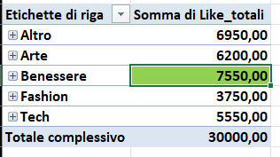
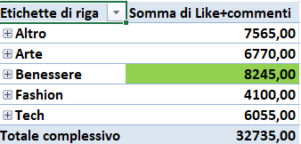
 | Commenti
Follower

 |  | Categoria

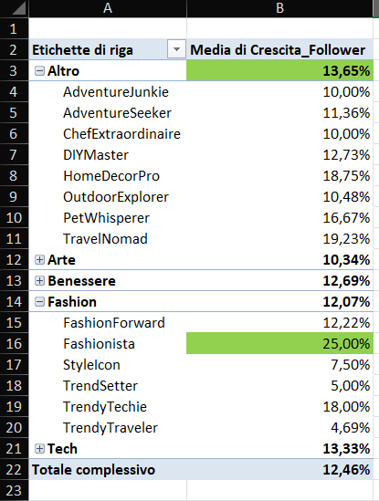
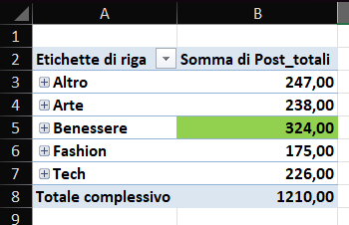
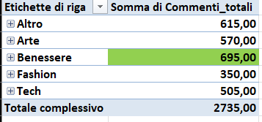

Post e tasso interazione

